Sheet1
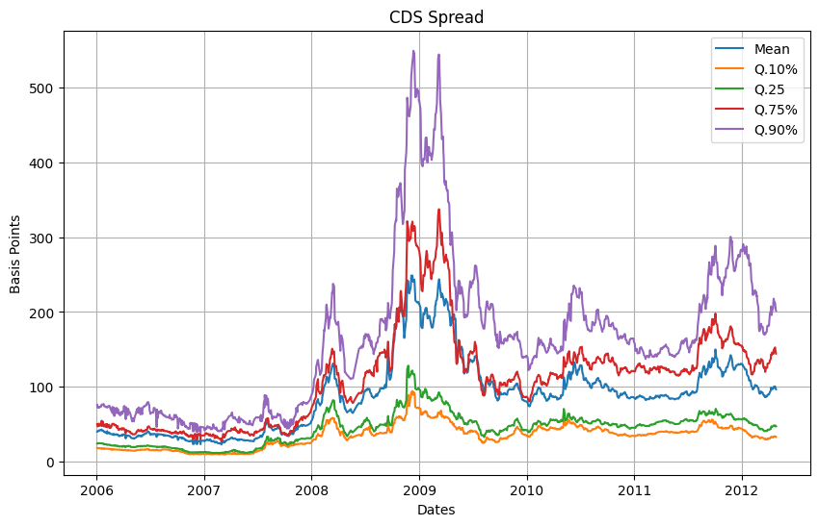
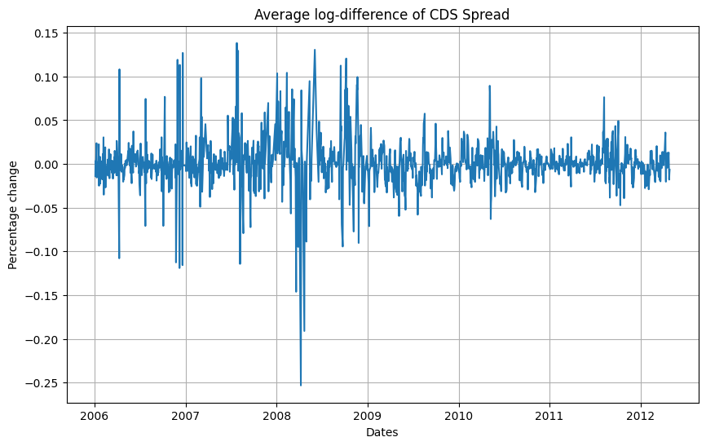
Statistic log-diff CDS Spread
 | Mean | Q.5% | Q.10% | Q.25 | Median | Q.75% | Q.90% | Q.95%
Mean | 0.00052990658006 | -0.00010853922483 | 2.5374775945E-05 | 0.00025020474057 | 0.00052591554693 | 0.00081542621955 | 0.00098846820652 | 0.0012206235327
Stdv | 0.061350089872 | 0.032934652026 | 0.034041714519 | 0.038553308122 | 0.044216024512 | 0.072237955493 | 0.11694761687 | 0.13784923174
1st order Autocorr | -0.070219099975 | -0.41001765138 | -0.37967882716 | -0.2818193611 | -0.038222897929 | 0.11511574253 | 0.19015505611 | 0.24428934577
Skew | 0.19078684777 | -0.98330414384 | -0.61153648725 | -0.17609523166 | 0.14784274587 | 0.63760867824 | 1.0129782779 | 1.4247228229
Kurt | 71.547476434 | 13.235287156 | 13.734709811 | 16.608471442 | 29.732464576 | 111.05399753 | 160.56627083 | 237.66523025
Q.5% | -0.051227533242 | -0.069662963699 | -0.064109838029 | -0.053433137818 | -0.046917301586 | -0.043388929548 | -0.041269950275 | -0.03984048539
Q.10% | -0.030623418911 | -0.03687824469 | -0.035456005251 | -0.032698978872 | -0.030103211115 | -0.02806432665 | -0.026295994544 | -0.02594937481
Q.25 | -0.011476593889 | -0.013605224053 | -0.013203871778 | -0.012447184972 | -0.011366864663 | -0.010640315027 | -0.010011855907 | -0.0094571104311
Median | -5.3114875623E-05 | -0.00028213918226 | -0.00017231937462 | -9.0777585275E-05 | 0 | 0 | 0 | 0
Q.75% | 0.010727551712 | 0.0087134938549 | 0.0089429190138 | 0.0099295567419 | 0.010294275776 | 0.011472670443 | 0.013352792127 | 0.013932960742
Q.90% | 0.03253526604 | 0.026389036666 | 0.027143345553 | 0.029582316213 | 0.031536312078 | 0.035282783087 | 0.037830050369 | 0.040731235784
Q.95% | 0.057073423683 | 0.044922554449 | 0.04585535582 | 0.048979535384 | 0.052064734773 | 0.059259495495 | 0.071898697622 | 0.076969962907

